Sheet6
Display Aging Test
DISPLAY AGING TEST REPORT

Model Name |  | JSHRASUHD | Starting Value at Middle | 262 LUX | Test Duration | 60 hrs
 |  |  |  |  | Start | Date | 2022-05-10
SW Version | V525 |  |  |  |  | Time | 06.30pm
Colour changing pattern With UPS supply |  |  | Ending Value at Middle | 270 LUX | End | Date | 2022-05-13
 |  |  |  |  |  | Time | 9.30am
STATUS |  | PASS |  |  | Tester Name |  | Wamiq Azeem Asif
Data Before Aging |  |  |  | Data After Aging

Top Right Lux Value |  | 208 |  |  | Top Right Lux Value |  | 207
Top Left Lux Value |  | 218 |  |  | Top Left Lux Value |  | 212
Bottom Left Lux Value |  | 229 |  |  | Bottom Left Lux Value |  | 204
Top Right Lux Value |  | 198 |  |  | Top Right Lux Value |  | 203
Middle Lux Value |  | 262 |  |  | Middle Lux Value |  | 270

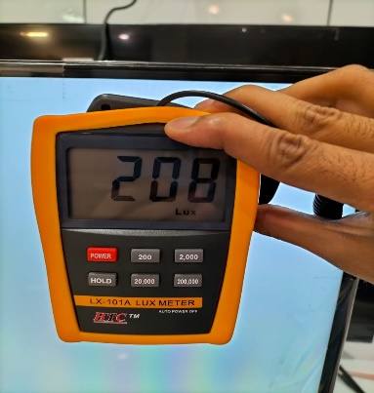 |  | 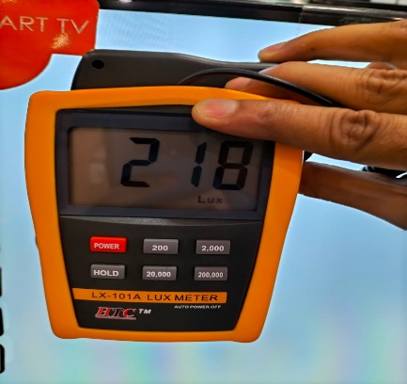 |  |  | 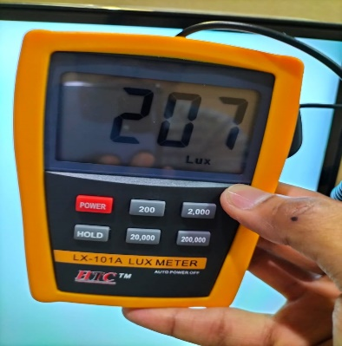 |  | 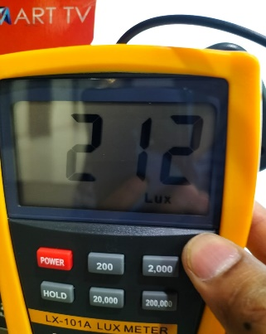

Top Right Lux Value |  | Top Left Lux Value |  |  | Top Right Lux Value |  | Top Left Lux Value

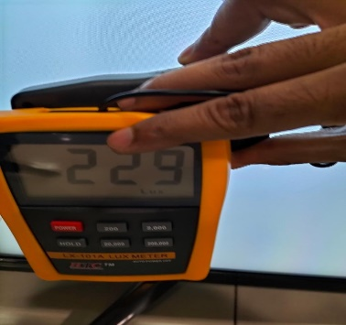 |  | 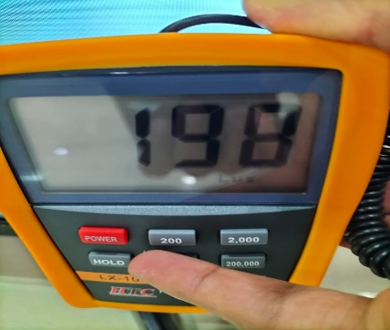 |  |  | 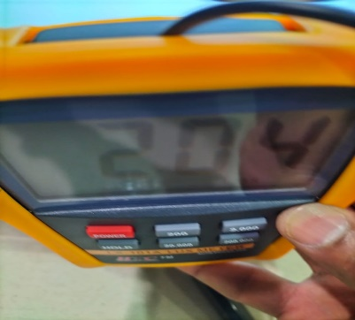 |  | 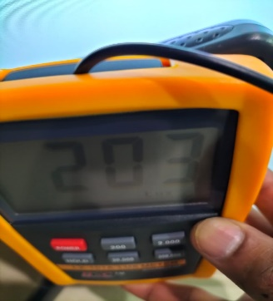

Bottom left Lux Value |  | Top Right Lux Value |  |  | Bottom Left Lux Value |  | Top Right Lux Value

